7x7 rope
※ 7x7 Rope Design for simulation

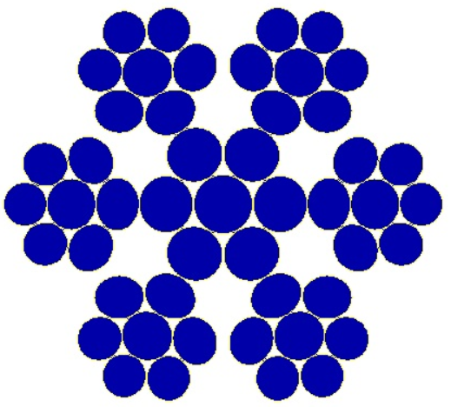
- |  |  | Unit | 7x7
Photo

S1 (Core strand}

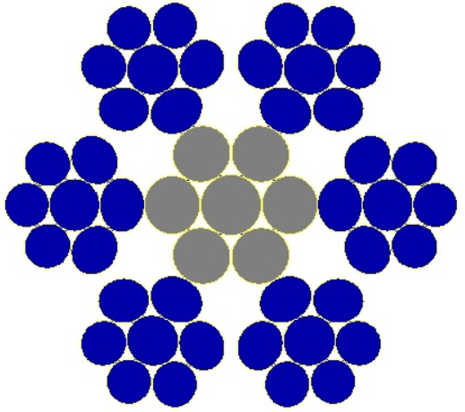


S2 (Outer strand)

Wires | d1 | S1_Center | ㎜ | 1.076 | Sample Nr.1 | Sample Nr.2 | Sample Nr.3
 | d2 | S1_Outer | ㎜ | 0.964 | Standard | Core strand stress-relieved | Core strand lower tensile
 | d3 | S2_Center | ㎜ | 0.964
 | d4 | S2_Outer | ㎜ | 0.889 | ▶ Outer strands for all 3 ropes are the same
Core strand | Diameter | Actual | ㎜ | 2.965
(S1) 1+6 |  | Theoretical Calculation |  | 3.004
 |  | *Dia_reduction (Compression on twisting) | % | 1.3%
 | Lay length | Actual | ㎜ | 18.10
 | Lay factor |  | x | 6.1
 | Lay direction |  | - | Right (Z)
Outer strand | Diameter | Actual | ㎜ | 2.710
(S2) - 1+6 |  | Theoretical Calculation |  | 2.742
 |  | *Dia_reduction (Compression on twisting) | % | 1.2%
 | Lay length | Actual | ㎜ | 22.20
 | Lay factor |  | x | 8.2
 | Lay direction |  | - | Left (S)
Rope | Diameter | Actual | ㎜ | 8.305
7x7 |  | Before closing_calculation |  | 8.385
 |  | *Dia_reduction (Compression on twisting) | % | 1.0%
 | Lay length | Actual | ㎜ | 53.40
 | Lay factor |  | x | 6.43
 | Lay direction |  | - | Right

